Ops-search holding keys
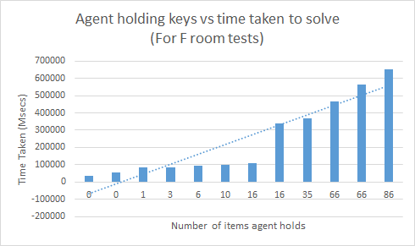
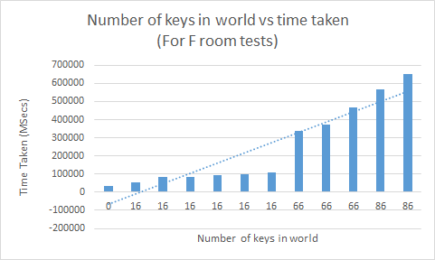
Test Name | Tuple Size (Agent holding keys) | Keys in world | Test 1 | Test 2 | Test 3 | Avg
test-one-move-to-f | 0 | 0 | 35046.1226 | 33368.1222 | 32834.8578 | 33749.7009
test-one-move-to-g | 0 | 0 | 32687.3366 | 34655.7962 | 32714.5602 | 33352.5643
test-one-move-to-h | 0 | 0 | 612853.4319 | 591146.6288 | 602946.6218 | 602315.5608
test-one-move-to-j | 0 | 0 | 33119.7027 | 32751.366 | 32889.6178 | 32920.2288

test-two-move-to-f | 0 | 16 | 53673.4639 | 54513.4639 | 53368.2219 | 53851.7166
test-two-move-to-g | 0 | 16 | 54814.9646 | 52984.4414 | 52744.7589 | 53514.7216
test-two-move-to-h | 0 | 16
test-two-move-to-j | 0 | 16 | 54671.5643 | 55972.4639 | 54892.3489 | 55178.7924

test-three-move-to-f | 1 | 16 | 82013.2304 | 87393.2221 | 84321.9842 | 84576.1456
test-three-move-to-g | 1 | 16 | 81552.0063 | 83419.7277 | 85957.2285 | 83642.9875
test-three-move-to-h | 1 | 16
test-three-move-to-j | 1 | 16 | 86133.3097 | 84398.9176 | 86440.959101 | 85657.7288

test-four-move-to-f | 3 | 16 | 83869.645001 | 87102.9534 | 84463.3007 | 85145.2997
test-four-move-to-g | 3 | 16 | 84450.1613 | 83170.2593 | 87120.7288 | 84913.7165
test-four-move-to-h | 3 | 16
test-four-move-to-j | 3 | 16 | 83020.8598 | 84222.1888 | 82190.3467 | 83144.4651

test-five-move-to-f | 6 | 16 | 92919.0765 | 93016.3867 | 93274.2368 | 93069.9000
test-five-move-to-g | 6 | 16
test-five-move-to-h | 6 | 16 | 93228.5301 | 93534.2051 | 93621.2552 | 93461.3301
test-five-move-to-j | 6 | 16 | 91689.1652 | 93278.4682 | 92119.9422 | 92362.5252

test-six-move-to-f | 10 | 16 | 98171.0301 | 99282.4311 | 97239.9241 | 98231.1284
test-six-move-to-g | 10 | 16 | 97128.132 | 96266.952 | 97645.332 | 97013.4720
test-six-move-to-h | 10 | 16
test-six-move-to-j | 10 | 16 | 94265.8829 | 95664.3759 | 96455.77239 | 95462.0104

test-seven-move-to-f | 16 | 16 | 104704.5978 | 109320.208 | 106466.348 | 106830.3846
test-seven-move-to-g | 16 | 16 | 103737.5413 | 103999.8255 | 103285.1645 | 103674.1771
test-seven-move-to-h | 16 | 16
test-seven-move-to-j | 16 | 16 | 107439.1592 | 107851.361 | 108257.2586 | 107849.2596

test-eight-move-to-f | 16 | 66 | 333314.8346 | 335664.2466 | 347734.8826 | 338904.6546
test-eight-move-to-g | 16 | 66 | 310612.8004 | 310997.4979 | 313446.2679 | 311685.5221
test-eight-move-to-h | 16 | 66
test-eight-move-to-j | 16 | 66 | 320033.5278 | 323446.2588 | 330021.4888 | 324500.4251

test-nine-move-to-f | 35 | 66 | 378378.2849 | 356748.3569 | 376488.9445 | 370538.5288
test-nine-move-to-g | 35 | 66 | 379264.0498 | 369247.7582 | 368824.6447 | 372445.4842
test-nine-move-to-h | 35 | 66
test-nine-move-to-j | 35 | 66 | 377302.1223 | 386552.5623 | 399334.5275 | 387729.7374

test-ten-move-to-f | 66 | 66 | 465511.2014 | 473356.6414 | 464571.2217 | 467813.0215
test-ten-move-to-g | 66 | 66 | 465511.2014 | 477357.4734 | 475558.4734 | 472809.0494
test-ten-move-to-h | 66 | 66 |  |  |  | #DIV/0!
test-ten-move-to-j | 66 | 66 | 463551.4815 | 465715.244 | 455611.6664 | 461626.1306

test-eleven-move-to-f | 66 | 86 | 562295.0309 | 574523.4368 | 561225.4367 | 566014.6348
test-eleven-move-to-g | 66 | 86 | 563211.2246 | 554785.2345 | 562125.333 | 560040.5974
test-eleven-move-to-h | 66 | 86
test-eleven-move-to-j | 66 | 86 | 542535.3369 | 562554.2209 | 574495.5359 | 559861.6979

test-twelve-move-to-f | 86 | 86 | 640568.7605 | 653568.7882 | 665721.1225 | 653286.2237
test-twelve-move-to-g | 86 | 86 | 643448.6425 | 632365.5625 | 655228.4445 | 643680.8832
test-twelve-move-to-h | 86 | 86
test-twelve-move-to-j | 86 | 86 | 664228.7555 | 655528.775 | 631568.565 | 650442.0318

Planner vs Opsserach
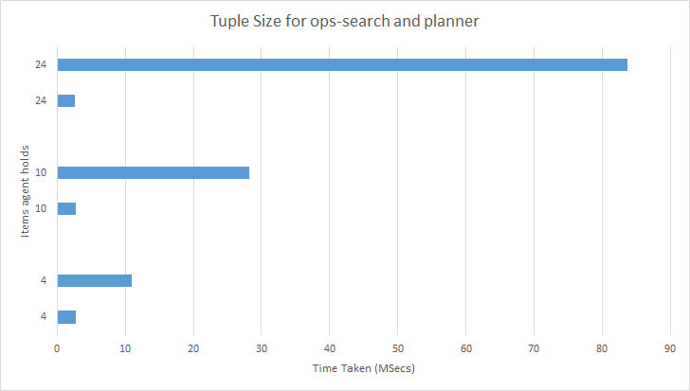
Test Name | Tuple Size (Agent holding keys) | Keys in world | Test 1 | Test 2 | Test 3 | Avg
Planner holding four items | 4 | 4 | 3.8301 | 2.3173 | 2.2834 | 2.810266667
Opssearch holding four items | 4 | 4 | 10.7261 | 11.2451 | 10.8972 | 10.95613333

Planner holding 10 items | 10 | 10 | 2.8114 | 2.6131 | 2.7102 | 2.711566667
Ops search holding 10 items | 10 | 10 | 27.8493 | 28.9842 | 27.9372 | 28.2569

Planner holding 24 items | 24 | 24 | 2.2994 | 2.7167 | 2.7318 | 2.582633333
Ops search holding 24 items | 24 | 24 | 82.9762 | 83.9271 | 84.02827 | 83.64385667

